Sheet3
Big Fart
行标签 | 计数项:49038
bug report | 61
feature request | 1
ratings | 27
user experience | 11
总计 | 100

Sheet2
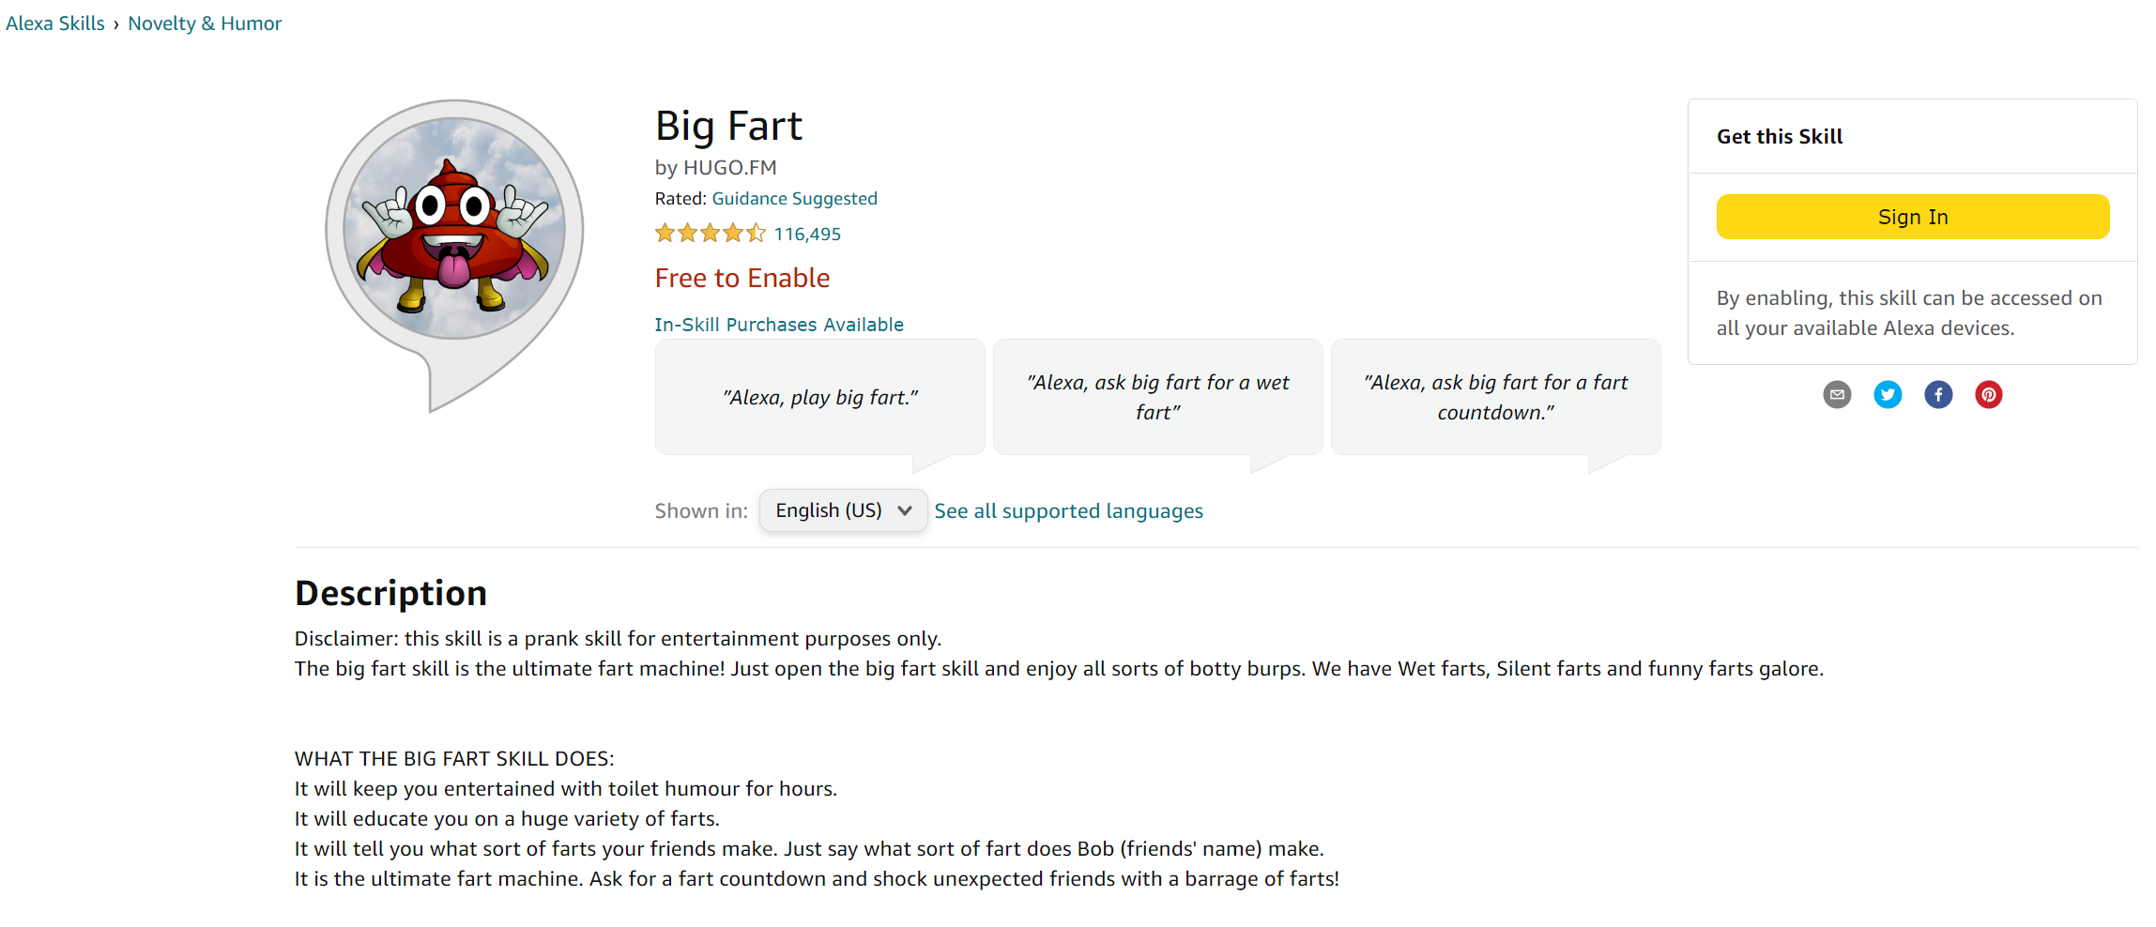

bug report | charging without permission or authrization
 | wrong enable skills
 | not follow what ask for /missunderstand
 | can't remove

